RAFF
1.TOTAL MEMBER
TOTAL MEMBER
1000
MALE/FEMALE DISTRIBUTION

2.MALE FEMALE DISTRIBUTION
Row Labels | Count of id
Female | 503
Male | 497
Grand Total | 1000
AGE GROUP-WISE DISTRIBUTION

3.AGE GROUP-WISE DISTRIBUTION
Row Labels | Count of id
ADULT | 189
JUNIOR | 171
MID AGE | 410
SENIOR | 230
Grand Total | 1000
MEMBERSHIP CATEGORY WISE DISTRIBUTION

 | 4.MEMBERSHIP CATEGORY WISE DISTRIBUTION
 | Row Labels | Count of id
 | Premium | 493
 | Standard | 507
 | Grand Total | 1000

VISIT IN GYM IN A WEEK
 | 5. VISIT IN GYM IN A WEEK
 | Row Labels | Count of id
 | 1 | 194
 | 2 | 274
 | 3 | 312
 | 4 | 96
 | 5 | 124
GROUP LESSON ATTENT
 | Grand Total | 1000

 | 6. GROUP LESSON ATTENT
 | Row Labels | Count of id
 | NO | 497
 | YES | 503
AVG TIME SPENT IN GYM
 | Grand Total | 1000

 | 7.AVG TIME SPENT IN GYM
 | Row Labels | Count of id
 | HIGH | 179
 | LOW | 192
 | MEDIUM | 207
 | VERY HIGH | 320
 | VERY LOW | 102
 | Grand Total | 1000
DRINKS /SHSKE SUBSCRIPTION

 | 8.DRINKS /SHSKE SUBSCRIPTION
 | Row Labels | Count of id
 | NO | 504
 | YES | 496
 | Grand Total | 1000

PERSONAL TRAINER
 | 9. PERSONAL TRAINER
 | Row Labels | Count of id
 | NO | 482
 | YES | 518
 | Grand Total | 1000

POPULAR TRAINER
 | 10. POPULAR TRAINER
 | Row Labels | Count of id
 | Chantal | 153
 | Hanna | 114
 | Jeffrey | 111
 | Mike | 140
 | Grand Total | 518

SAUNA FACILITY SUBSCRIPTION
 | 11.SAUNA FACILITY SUBSCRIPTION
 | Row Labels | Count of id
 | NO | 507
 | YES | 493
 | Grand Total | 1000

Sheet1
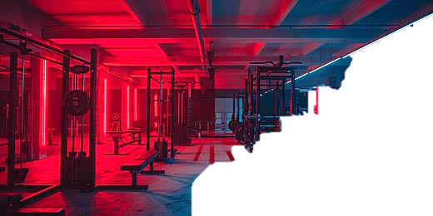
GYM MEMBERSHIP DATA ANALYTICS

MALE/FEMALE DISTRIBUTION
 | Total
Female | 503
Male | 497
AGE GROUP-WISE DISTRIBUTION
 | Total
ADULT | 189
JUNIOR | 171
MID AGE | 410
SENIOR | 230
MEMBERSHIP CATEGORY WISE DISTRIBUTION
 | Total
Premium | 493
Standard | 507




VISIT IN GYM IN A WEEK
 | Total
1 | 194
2 | 274
3 | 312
4 | 96
5 | 124
GROUP LESSON ATTENT
 | Total
NO | 497
YES | 503
AVG TIME SPENT IN GYM
 | Total
HIGH | 179
LOW | 192
MEDIUM | 207
VERY HIGH | 320
VERY LOW | 102

POPULAR TRAINER
 | Total
Chantal | 153
Hanna | 114
Jeffrey | 111
Mike | 140

DRINKS /SHSKE SUBSCRIPTION
 | Total
NO | 504
YES | 496
PERSONAL TRAINER
 | Total
NO | 482
YES | 518
SAUNA FACILITY SUBSCRIPTION
 | Total
NO | 507
YES | 493

